Weekly Progress Report
MODON - Weekly Progress Report - Construction Projects |  |  |  |  |  |  |  |  |  |  |  |  |  |  |  |  |  |  |  |  |  |  |  |  |  |  |  |  |  | Data Date | 28-Sep-26
Contract General Information |  |  |  |  |  | Key Dates |  |  |  |  | Cost Summary (SR) |  |  |  |  |  |  |  | Performance Summary |  |  |  |  |  | Project Scope
Project Name | Improvement of Waad Al Shamal Industrial City Fence & Gates |  |  |  |  | Contract Award | Contract Award (Hijri) | 26/03/2026 | Revised Completion | 5-Oct-26 | Original Contract Value |  | 15,898,659 |  | O&M Value (if any) |  | 0 |  | Plan Value | 86.14% | Phys. Plan Value | 81.94% | Quality Score | 85.5% | #REF!
Project ID | WAS1-05-006 |  | Stage | Construction |  | Contract Sign | Contract Sign (Hijri) | 26/03/2026 | Committed Completion | 5-Oct-26 | Revised Contract Value |  | 15,898,659 |  | Submitted Invoices (Gross Value) |  | 0 |  | Earn Value | 55.96% | Phys. Earn Value | 27.58% |  | ¢¢¢¢¢ ¢¢¢££
Contractor | Hamza Mohammad Alderi Construction Co. |  | Status | Active |  | Site Handover | Site Handover (Hijri) | 06/05/2026 | Forecast Completion | 5-Oct-26 | Estimate At Completion Value |  | 15,898,659 |  | Penalities |  | 0 |  | Variance | (30.2%) | Variance | (54.4%) | Safety Score | 85.0%
Consultant | Consolidated Consultants Group |  | Modon PM | Muhammed H. Al-Essa |  | Original Completion | Original Completion (Hijri) | 05/10/2026 | Variance | 0 | Potential Changes |  | 0 |  | FIR Value (Todate) |  | 0 |  | FIR % | 0.0% | Invoiced % | 0.0% |  | ¢¢¢¢¢ ¢¢¢££ |  |  |  |  |  |  |  |  | A

 | Planned (%) | Earned (%)
KUMT-05-001.6 Engineering | 0 | 0
KUMT-05-001.7 Procurement | 3,177,613 | 2,390,834
KUMT-05-001.3 Construction | 10,040,993 | 6,324,428
Progress Overview
Earned Value Progress (SAR) |  |  |  |  |  |  |  |  |  |  |  |  | Physical Progress (Effort) |  |  |  |  |  |  |  |  |  |  |  | Earned Value Progress (%)
WBS |  | BOQ Value (SAR) | % Wt. | Weekly (SAR) |  |  |  |  | To Date (SAR) |  |  |  | Budgeted | % Wt. | Weekly Physical Progress |  |  |  | To Date Physical Progress
 |  |  |  | Planned |  | Earned |  | Original Plan % | Planned |  | Earned |  | (Manhours) |  | Planned |  | Earned |  | Planned |  | Earned
WAS1-05-006 - B1 - B1 - B1 - B1.2 Mobilization |  | - | 0.0% | - |  | - |  | - | - |  | - |  | 2,956 | 3.0% | - |  | - |  | 2,956 |  | 2,956
WAS1-05-006 - B1 - B1 - B1 - B1.3 Preliminary Submittals |  | - | 0.0% | - |  | - |  | - | - |  | - |  | - | 0.0% | - |  | - |  | - |  | -
WAS1-05-006 - B1 - B1 - B1 - B1.6 Engineering |  | 476,990 | 3.0% | 3,244.82 |  | - |  | 476,989.77 | 476,989.77 |  | 181,061.42 |  | 4,927 | 5.0% | 16 |  | - |  | 4,927 |  | 2,854
WAS1-05-006 - B1 - B1 - B1 - B1.7 Procurement |  | 3,179,932 | 20.0% | 132,217.16 |  | 494,364.28 |  | 3,177,613.29 | 3,177,613.29 |  | 2,390,834.40 |  | 12,811 | 13.0% | 3,018 |  | 2,745 |  | 12,758 |  | 5,046
WAS1-05-006 - B1 - B1 - B1 - B1.8 Construction |  | 10,651,772 | 67.0% | 1,397,746.65 |  | 2,147,509.04 |  | 10,040,993.24 | 10,040,993.24 |  | 6,324,428.22 |  | 73,908 | 75.0% | 14,616 |  | 4,345 |  | 60,109 |  | 16,323
WAS1-05-006 - B1 - B1 - B1 - B1.8.1 FENCES |  | 9,040,220 | 56.9% | 941,894.08 |  | 2,049,791.33 |  | 8,848,577.86 | 8,848,577.86 |  | 6,145,882.64 |  | 4,885 | 5.0% | 469 |  | 591 |  | 4,696 |  | 2,774
WAS1-05-006 - B1 - B1 - B1 - B1.8.2 GUARD HOUSE 1 |  | 438,683 | 2.8% | 57,188.71 |  | 46,289.90 |  | 210,258.24 | 210,258.24 |  | 81,390.27 |  | 22,300 | 22.6% | 3,986 |  | 1,726 |  | 15,309 |  | 5,458
WAS1-05-006 - B1 - B1 - B1 - B1.8.3 GUARD HOUSE 2 |  | 438,683 | 2.8% | 146,002.26 |  | 9,359.93 |  | 343,327.49 | 343,327.49 |  | 20,208.19 |  | 22,300 | 22.6% | 4,814 |  | 637 |  | 18,990 |  | 2,973
WAS1-05-006 - B1 - B1 - B1 - B1.8.5 GUARD HOUSE 3 |  | 438,683 | 2.8% | 146,002.26 |  | 42,067.88 |  | 343,327.49 | 343,327.49 |  | 76,947.12 |  | 22,300 | 22.6% | 4,814 |  | 1,391 |  | 18,990 |  | 5,118
WAS1-05-006 - B1 - B1 - B1 - B1.8.4 EXT. WORKS |  | 295,502 | 1.9% | 106,659.33 |  | - |  | 295,502.16 | 295,502.16 |  | - |  | 2,124 | 2.2% | 534 |  | - |  | 2,124 |  | -
WAS1-05-006 - B1 - B1 - B1 - B1.4 Testing & Commissioning |  | 1,589,966 | 10.0% | 310,459.03 |  | - |  | 310,459.03 | 310,459.03 |  | - |  | 3,942 | 4.0% | 770 |  | - |  | 770 |  | -
Total (SAR) |  | 15,898,659 | 100.0% | 1,533,208.63 |  | 2,641,873.32 |  | 13,695,596.30 | 13,695,596.30 |  | 8,896,324.04 |  | 98,545 | 100.0% | 17,650 |  | 7,090 |  | 80,750 |  | 27,179
Total (%) |  |  |  | 9.64% |  | 16.62% |  |  | 86.14% |  | 55.96% |  |  |  | 17.91% |  | 7.19% |  | 81.94% |  | 27.58%
Earned Value - Cost
 | Baseline Plan | Revised / Recovery Plan | Earned Value | Forecast | Gross Paid Value
May-26 | 0.0% | 0.0% | 0.000%
Jun-26 | 0.1% | 0.1% | 0.000%
Jul-26 | 9.5% | 9.5% | 5.990%
Aug-26 | 28.2% | 28.2% | 16.120%
Sep-26 | 91.3% | 91.3% | 55.956%
Oct-26 | 100.0% | 100.0%
Physical Progress - Effort
 | Baseline Plan | Revised / Recovery Plan | Earned Effort %
May-26 | 3.2% | 3.2% | 3.2%
Jun-26 | 3.6% | 3.6% | 3.6%
Jul-26 | 8.8% | 8.8% | 6.6%
Aug-26 | 30.9% | 30.9% | 12.5%
Sep-26 | 94.2% | 94.2% | 27.6%
Oct-26 | 100.0% | 100.0%
 |  |  |  |  |  |  |  |  |  |  |  |  |  |  |  |  |  |  |  |  |  |  |  |  | Construction Milestones
 |  |  |  |  |  |  |  |  |  |  |  |  |  |  |  |  |  |  |  |  |  |  |  |  | Item No. | Milestones |  | Original (Baseline) | Latest Plan | Forecast | Status | Days Change
 |  |  |  |  |  |  |  |  |  |  |  |  |  |  |  |  |  |  |  |  |  |  |  |  | 1 | Award Date |  | 26-Mar-26 | 26-Mar-26 | 26-Mar-26 | 0 | 0
 |  |  |  |  |  |  |  |  |  |  |  |  |  |  |  |  |  |  |  |  |  |  |  |  | 2 | Contract Sign Date |  | 26-Mar-26 | 26-Mar-26 | 26-Mar-26 | A | 0
 |  |  |  |  |  |  |  |  |  |  |  |  |  |  |  |  |  |  |  |  |  |  |  |  | 3 | Site Handover Date |  | 6-May-26 | 6-May-26 | 6-May-26 | A | 0
 |  |  |  |  |  |  |  |  |  |  |  |  |  |  |  |  |  |  |  |  |  |  |  |  | 4 | Start Mobilization |  | 6-May-26 | 6-May-26 | 6-May-26 | A | 0
 |  |  |  |  |  |  |  |  |  |  |  |  |  |  |  |  |  |  |  |  |  |  |  |  | 7 | Complete Procurement |  | 28-Sep-26 | 28-Sep-26 | 28-Sep-26 | F | 0
 |  |  |  |  |  |  |  |  |  |  |  |  |  |  |  |  |  |  |  |  |  |  |  |  | 8 | Complete Construction Works |  | 5-Oct-26 | 5-Oct-26 | 5-Oct-26 | F | 0
 |  |  |  |  |  |  |  |  |  |  |  |  |  |  |  |  |  |  |  |  |  |  |  |  | #REF! | #REF! |  | #REF! | #REF! | #REF! | #REF! | #REF!
 |  |  |  |  |  |  |  |  |  |  |  |  |  |  |  |  |  |  |  |  |  |  |  |  | 10 | Complete Demobilization |  | 5-Oct-26 | 5-Oct-26 | 5-Oct-26 | F | 0
 |  |  |  |  |  |  |  |  |  |  |  |  |  |  |  |  |  |  |  |  |  |  |  |  | 11 | Complete all Works including Testing & Commissioning, Cleanup, Closeout Documentation and Ready for Initial Handover |  | 5-Oct-26 | 5-Oct-26 | 5-Oct-26 | F | 0
 |  |  |  |  |  |  |  |  |  |  |  |  |  |  |  |  |  |  |  |  |  |  |  |  | 12 | Project Completion Date |  | 5-Oct-26 | 5-Oct-26 | 5-Oct-26 | F | 0
Project Status Score
 | Max | Score
SPI (Physical Effort) | 100% | 0%
SPI (Cost) | 100% | 0%
On Schedule -Active | 100% | 100%
Manpower Availability | 100% | 700%
Major Equipment Availability | 100% | 144%
Billing % Compared to Planned | 100% | 0%
Safety Score | 100% | 86%
Quality Score | 100% | 0%
Actual Invoices
 | Monthly Gross Value
 | 1,325,658.77
 | 2,177,182.52
 | 2,490,659.58

1,997,834

Performance overview
Submittals Status |  |  |  |  |  |  |  |  |  | Quality |  |  |  |  |  |  |  |  |  |  | Safety
Shop Drawings |  |  |  |  |  |  |  |  |  | Quality Reports |  |  |  |  |  |  |  |  |  |  | Safety Statistics |  |  |  |  |  |  |  | Proactive Vs Reactive Actions Taken
Item Per WBS |  | Total | Total Submitted Drawings |  |  |  | Remaining | Pending | Total Submittals | Quality Reports |  | Issued | Closed | Pending | Avg. Closing (Days) | Pending |  |  |  |  | Category | Item |  | This Week |  | This Month | Year to Date | Cumulative
 |  |  | A | B | C | D |  |  |  |  |  |  |  |  |  | 0-10 Days | 11-20 Days | 21-30 Days | 31-60 Days | > 60 Days
Civil |  | 13 | 5 | 7 | 0 | 1 | 0 | 0 | 13 |  |  |  |  |  |  |  |  |  |  |  | General | Total Hours Worked |  | 5,562 |  | 16,470 | 30,524 | 30,524 |  |  | Proactive | 3
Structural |  |  | 0 | 0 | 0 | 0 | 0 |  | 0 | Non Conformance (NCR) |  | 0 | 0 | 0 | 0 | 0 | 0 | 0 | 0 | 0 |  | Safe Hours Worked |  | 5,562 |  | 16,470 | 30,524 | 30,524 |  |  | Reactive | 0
Architectural |  | 12 | 5 | 7 | 0 | 0 | 0 | 0 | 12 | Site Instruction (SIR) |  | 0 | 0 | 0 | 0 | 0 | 0 | 0 | 0 | 0 | Reactive | LTI |  | 0 |  | 0 | 0 | 0
Mechanical |  | 4 | 0 | 4 | 0 | 0 | 0 | 0 | 4 | Material Inspection (MIR) |  | 30 | 1 | 0 | 0 | 0 | 0 | 0 | 0 | 0 |  | MTC (Healed w/o Disability) |  | 0 |  | 0 | 0 | 0
Electrical |  | 8 | 0 | 7 | 0 | 0 | 0 | 1 | 8 | Field Inspection (FIR) |  | 266 | 30 | 0 | 0 | 0 | 0 | 0 | 0 | 0 |  | MTC (Healed w/ Disability) |  | 0 |  | 0 | 0 | 0
TOTAL |  | 37 | 10 | 25 | 0 | 1 | 0 | 1 | 37 | Key Submittals Approval Status |  |  |  |  |  |  |  |  |  |  |  | Near Miss |  | 0 |  | 0 | 0 | 0
Material Approval |  |  |  |  |  |  |  |  |  | 1 Quality Plan Approval |  |  | 17-May-26 |  | 6 Baseline Approval |  |  |  | 20-May-26 |  |  | First Aid Cases |  | 0 |  | 0 | 0 | 0 | Total Hours Worked Vs Safe Hours Worked
Item Per WBS |  | Total | Total Submitted Material |  |  |  | Remaining to approve | Pending | Total Submittals | 2 Quality Plan Last Up |  |  | 17-May-26 |  | 7 No of Approved Version of Schedule |  |  |  | 46162 |  |  | Fatality |  | 0 |  | 0 | 0 | 0
 |  |  | A | B | C | D |  |  |  | 3 Safety Plan Approval |  |  | 19-May-26 |  | 8 Last Approved Schedule |  |  |  | 20-May-26 |  |  | Fire Incident Cases |  | 0 |  | 0 | 0 | 0
Civil |  | 23 |  | 23 |  |  | 0 |  | 23 | 4 Safety Plan Last Up |  |  | 19-May-26 |  | 9 BOQ Approval Date |  |  |  | 6-May-26 |  |  | Vehicle Incident |  | 0 |  | 0 | 0 | 0
Structural |  |  |  |  |  |  | 0 | 0 | 0 | 5 Construction Plan Approval |  |  | 25-May-26 |  | 10 No of Approved Version of BOQ |  |  |  | 46148 |  |  | Property Damages |  | 0 |  | 0 | 0 | 0
Architectural |  | 21 |  | 20 | 1 |  | 0 | 0 | 21 | Invoices Summary |  |  |  |  |  |  |  |  |  |  | Proactive | Induction Training - Sessions(Headcount) |  | 3(6) |  | 9(21) | 23(137) | 23(137)
Mechanical |  | 27 |  | 26 | 1 | 1 | 0 | 0 | 27 | Total Submitted Invoices |  | 0 | Submitted Invoices (SAR) |  |  | 5,993,501 |  | Contract Value (SR) | 15,898,659 |  |  | No.of Internal Training - Sessions(Headcount) |  | 0 |  | 0 | 2(14) | 2(14)
Electrical |  | 21 | 0 | 19 | 0 | 1 | 0 | 0 | 21 | PM Approved Invoices |  | 0 | PM Approved Invoices (SAR) |  |  | 0 |  | Planned Value (SR) | #REF! |  |  | No.of Internal Audit |  | 0 |  | 0 | 3 | 3
TOTAL |  | 92 | 0 | 88 | 2 | 2 | 0 | 0 | 92 | No of Paid Invoices |  | 0 | Paid Invoices (SAR) |  |  | 0 |  | Earned Value (SR) | - |  |  | No. of Toolbox Talks - Sessions(Headcount) |  | 1(8) |  | 3(27) | 17(230) | 17(230)
Procurement Summary |  |  |  |  |  |  |  |  |  | No of Pending Invoices |  | 0 | Last Submitted Period |  |  | 24-Sep-26 |  | Submitted (SAR) | 5,993,501 |  |  | Safety Awards/Incentives |  | 0 |  | 0 | 0
Item Per WBS |  | Total Materials | Total Number of P.O. | Actual P.O. To Date | Remaining P.O | Material on Site | Material Delivery Completion (Date) |  |  | Advance Payment % |  | 0% | Advance Payment (SAR) |  |  | 0 |  | PM Approved (SAR) | 0 |  | Latest Contract Change Order Log
 |  |  |  |  |  |  |  |  |  | Retention % |  | 0% | Retention (SAR) |  |  | 0 |  | Total Paid (SAR) | 0
 |  |  |  |  |  |  |  |  |  | Deduction / Penalties % |  | 0% | Deduction / Penalties (SAR) |  |  | 0 |  |  |  |  | CCO No. | Date Added | Description of Change |  |  |  |  | Status | Cost | Sch Impact (Months) | Date Approved | Duration
 |  |  |  |  |  |  |  |  |  | Resources at Site
 |  |  |  |  |  |  |  |  |  | Head Count - Non Manual |  |  |  | Head Count - Manual |  |  |  | Total Head Count |  |  | 0 | 0 | 0 |  |  |  |  | 0 | 0 | 0 | 0 | 0
 |  |  |  |  |  |  |  |  |  | Planned | Actual | Next Month Forecast | Saudi Staff | Planned | Actual | Next Month Forecast | Saudi Staff | Total Plan | Total Actual | Variance
 |  |  |  |  |  |  |  |  |  | 8 | 10 | 11 | 2 | 15 | 105 | 15 | 0 | 23 | 115 | 92
TOTAL |  |  |  |  |  |  |  |  |  | Manpower Breakdown by Trade |  |  |  |  |  |  | Major Equipment
 | Plan - Monthly | Actual - Monthly | Forecast - Monthly
May-26 | 8 | 9
Jun-26 | 18 | 15
Jul-26 | 20 | 22
Aug-26 | 20 | 52
Sep-26 | 15 | 105
Oct-26
Primavera P6 Schedule Status |  |  |  |  |  |  |  |  |  | Key Trade | Planned | Actual |  |  |  |  | Type | Planned | Actual | Idle
Project Activities Overview |  |  |  |  |  |  |  |  |  | General Labor | 3 | 13 |  |  |  |  | Excavator | 2 | 5 | 0
Schedule Statistics |  |  |  |  | Active Schedule Activities |  |  |  |  | Carpenter | 0 | 0 |  |  |  |  | Loader | 0 | 0 | 0 | Major Quantity Trackers
Total Act. | Not Started | In Progress | Completed | % | Active | Ahead | Behind | Flag | 0 | Plumber | 0 | 0 |  |  |  |  | Dozer | 1 | 3 | 0 | BOQ N0. | Item Description |  |  |  |  | Total Qty | Measu Unit | Plan to Date | Act to Date | Remaining | Variance
554 | 390 | 63 | 101 | 18.23% | 63 | 101 | 0 | 126 |  | Operator | 0 | 0 |  |  |  |  | Dumper | 0 | 0 | 0 | 0 | 0 |  |  |  |  | 0.00 | 0.00 | 0.00 | 0.00 | 0.00 | 0.00
Critical Path Activities |  |  | Free Float Management (Total) |  |  |  |  |  |  | Steel Fixer | 8 | 35 |  |  |  |  | Crane | 0 | 0 | 0 | 0 | 0 |  |  |  |  | 0.00 | 0.00 | 0.00 | 0.00 | 0.00 | 0.00
 |  |  | Greater Than 14 Days |  | Less Than 14 Days |  |  |  |  | Mason | 0 | 0 |  |  |  |  | Grader | 0 | 0 | 0 | 0 | 0 |  |  |  |  | 0.00 | 0.00 | 0.00 | 0.00 | 0.00 | 0.00
Last Week | This Week | Diff | Last Week | This Week | Last Week | This Week | This Week | Flag | 0 | Others | 4 | 57 |  |  |  |  | Other | 6 | 5 | 0 | 0 | 0 |  |  |  |  | 0.00 | 0.00 | 0.00 | 0.00 | 0.00 | 0.00
0 | 0 | 0 | 33 | 33 | 225 | 225 | 28 | 1 |  | Total | 15 | 105 |  |  |  |  | Total | 9 | 13 | 0 | 0 | 0 |  |  |  |  | 0.00 | 0.00 | 0.00 | 0.00 | 0.00 | 0.00
Weekly Prgoress Photos |  |  |  |  |  |  |  |  |  |  |  |  |  |  | Top Issues and Risks
plaster works |  |  |  |  | Fence Works |  |  |  |  | Fence Works |  |  |  |  | Top 5 Issues
 |  |  |  |  |  |  |  |  |  |  |  |  |  |  | Issue No | Date Identified | Issue Description |  |  |  | Responsible | Action Taken |  |  | Mitigation |  |  |  |  | Current Status | Expected/Actual Closure | Duration Elapsed
 |  |  |  |  |  |  |  |  |  |  |  |  |  |  | 1
 |  |  |  |  |  |  |  |  |  |  |  |  |  |  | 2
 |  |  |  |  |  |  |  |  |  |  |  |  |  |  | 3
 |  |  |  |  |  |  |  |  |  |  |  |  |  |  | 4
 |  |  |  |  |  |  |  |  |  |  |  |  |  |  | 5

Weekly Photos
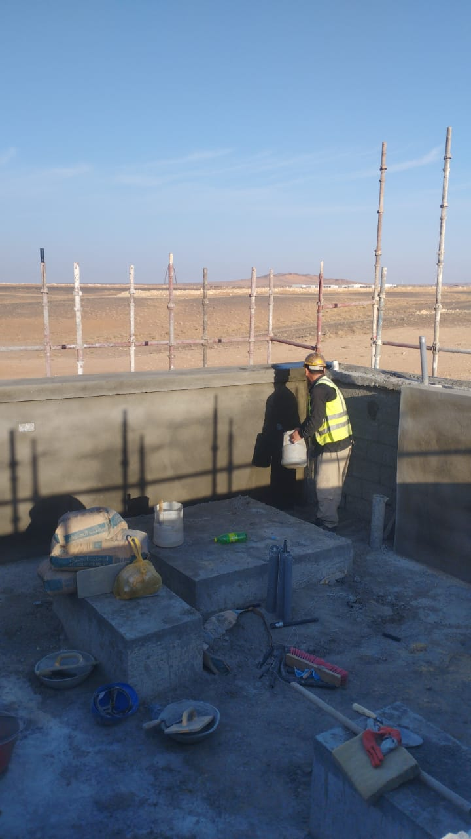
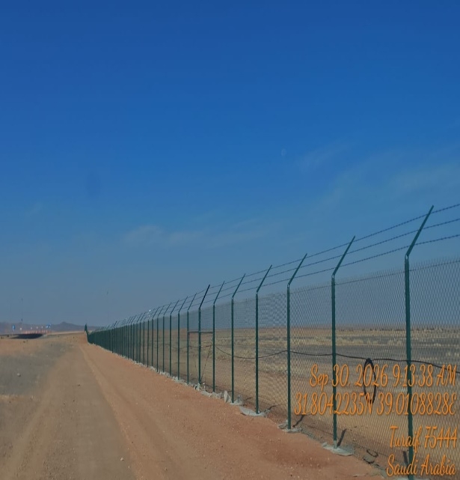
Date | 28-Sep-26

Fence Works |  | fence Works
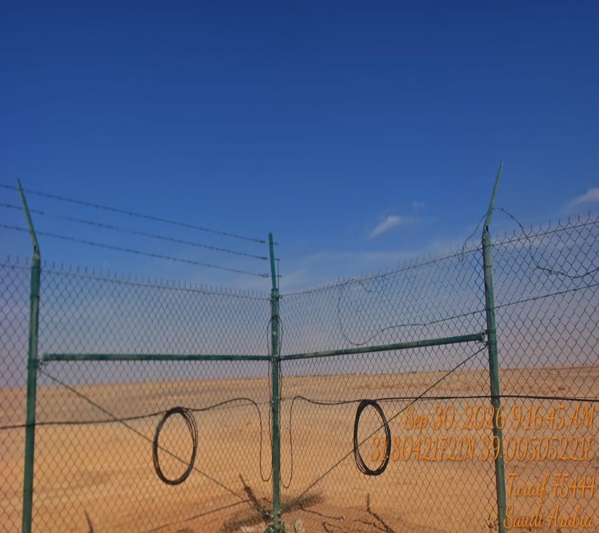
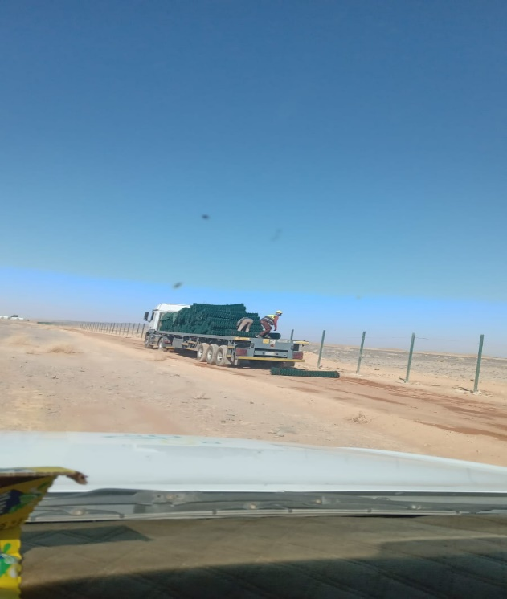

plaster works |  | Fence Works

Manpower
MANUAL MANPOWER HISTOGRAM
 | Plan - Monthly | Actual - Monthly | Forecast - Monthly
May-26 | 8 | 9
Jun-26 | 18 | 15
Jul-26 | 20 | 22
Aug-26 | 20 | 52
Sep-26 | 15 | 105
Oct-26
Head-Count ( Non Manual)
MONTHS | May-26 | Jun-26 | Jul-26 | Aug-26 | Sep-26 | Oct-26
Plan - Monthly | 4 | 9 | 7 | 8 | 8
Planned - Cumulative | 4 | 13 | 20 | 28 | 36
Actual - Monthly | 11 | 11 | 10 | 10 | 10
Actual Cumulative | 11 | 22 | 32 | 42 | 52
Forecast - Monthly
Saudi Monthly - Actual
Head-Count (Manual)
MONTHS | May-26 | Jun-26 | Jul-26 | Aug-26 | Sep-26 | Oct-26
Plan - Monthly | 8 | 18 | 20 | 20 | 15
Planned - Cumulative | 8 | 26 | 46 | 66 | 81
Actual - Monthly | 9 | 15 | 22 | 52 | 105 |  |  |  |  |  |  |  |  |  |  |  |  |  |  |  |  | Apr-26
Actual Cumulative | 9 | 24 | 46 | 98 | 203 |  |  |  |  |  |  |  |  |  |  |  |  |  |  |  |  | May-26
Forecast - Monthly |  |  |  |  |  |  |  |  |  |  |  |  |  |  |  |  |  |  |  |  |  | Jun-26
Saudi - Actual |  |  |  |  |  |  |  |  |  |  |  |  |  |  |  |  |  |  |  |  |  | Jul-26
 |  |  |  |  |  |  |  |  |  |  |  |  |  |  |  |  |  |  |  |  |  | Aug-26
Head-Count (Non-Manual) |  |  |  |  |  |  |  |  |  |  |  |  |  |  |  |  |  |  | Month | Sep-26 | Oct-26
Planned | Actual |  | Variance |  | Forecast Next Month |  | Saudi Staff
8 | 10 |  | 2 |  | #N/A |  | #N/A

Head-Count (Manual) |  |  |  |  |  |  |  |  | Man Power by Trade
Planned | Actual |  | Variance |  | Forecast Next Month |  | Saudi Staff |  | Key Trade | General Labor | Carpenter | Plumber | Operator | Steel Fixer | Mason | Others | Total
15 | 108 |  | 93 |  | #N/A |  | #N/A |  | Plan | 5 | 5 | 0 | 2 | 3 | 0 | 0 | 15 | -15
 |  |  |  |  |  |  |  |  | Actual | 25 | 20 | 1 | 10 | 52 | 0 | 0 | 108 | -108

EQUIPMENT HISTOGRAM
 | Plan - Monthly | Actual - Monthly | Forecast - Monthly
46146 | 8 | 9
46177 | 8 | 9
46207 | 7 | 10
46238 | 9 | 12
46269 | 3 | 10
46299

Equipment
MONTHS | May-26 | Jun-26 | Jul-26 | Aug-26 | Sep-26 | Oct-26
Plan - Monthly | 8 | 8 | 7 | 9 | 3
Planned - Cumulative | 8 | 16 | 23 | 32 | 35
Actual - Monthly | 9 | 9 | 10 | 12 | 10
Actual Cumulative | 9 | 18 | 28 | 40 | 50
Forecast - Monthly

Equipment Count
Planned | Actual |  | Idle |  | Variance |  | Forecast Next Month
3 | 10 |  |  |  | 7 |  | #N/A

Type | Excavator |  | Loader |  | Dozer |  | Dumper | Crane | Grader | Other | Total
Plan | 1 |  | 0 |  | 1 |  | 0 | 1 | 0 | 0 | 3
Actual | 2 |  | 0 |  | 3 |  | 1 | 1 | 0 | 3 | 10
Idle

